1. Title Page
[Instacart Grocery Basket Analysis]

Project Name: Instacart Grocery Basket Analysis
Date: November 4, 2024
Analyst Name: Drew Riedlin

Contents:
Population Flow
Consistency checks
Wrangling steps
Column derivations
Visualizations
Recommendations

Data Citation:
 | “The Instacart Online Grocery Shopping Dataset 2017”, Accessed from www.instacart.com/datasets/grocery-shopping-2017 via Kaggle on <date> add hyperlink

2. Population Flow
Title page

Population flow

Exclusion flag
Condition: max_order <
Obervations to be removed:
Final total count of order_products_all:

Orders_products_combined
Orders_products_merged
Orders_products_all

Total: 32404859
Total: 32434489
Total: 32404859

1.) The grey boxes in the first row of the population flow represent the original data sets as they were when you downloaded them. In the Total fields you need to add the count of the rows when you imported the data set into Jupyter.
2.) The second row of boxes (coloured) represents the data sets after you manipulated them, e.g., removed missing values and duplicates. In the Total fields you need to add the count of the rows after conducting these operations. This offers a visual oveview of how the data flows throughout the data consistency checks.
3.) The third row, where also the arrows are coloured, represents the merges you performed between the datasets. In the Total fields you need to add the count of the rows in the merged datasets, so that you end up with the final dataset (in the red box). Keep in mind the final dataset should be without exclusions (based on the exclusion flag).

3. Consistency checks
 |  |  |  | Title page
Consistency checks

Dataset | Missing values | Missing values treatment | Duplicates
orders | days_since_prior_order: 206209 missing | Missing entries represent first time customers, so I left them alone. | 0 dups
products | product_name: 16 missing | Removed 16 from dataset | 5 dups found and removed
orders_products_prior | 0 missing values | NA | 0 dups
customers | First Name: 11259 Missing | Left alone since we are not analyzing first name. | 0 dups

4. Wrangling steps
 |  |  |  |  | Title page
Wrangling steps

Dataset | Columns dropped | Columns renamed | Columns' type changed | Comment/Reason
orders | 'eval_set' |  |  | Not necessary for analysis
orders |  | 'order_dow' to 'orders_dow' |  | Practice changing column names
orders |  |  | 'order_id' to string | This data is a unique identifier with no numerical value
new_cust_data |  | 'surnam' to 'Last Name' |  | Consistency
new_cust_data |  | STATE' to 'State' |  | Consistency
ords_prods_cust_merge | 'Unnamed: 0_x', 'eval_set', '_merge', 'Unnamed: 0_y', 'merge_status' |  |  | Unnecessary columns that we no longer need for analysis
ords_prods_cust_merge_ | 'First Name', 'Last Name' |  |  | Unnecessary columns that we do not need for analysis

5. Column derivations
 |  |  |  | Title page

Column derivations and aggregations

In this tab you should add tables below that the frequences of flags/label variables that you produced after deriving them. NB: don't do this for continuous variables, only for flags.
Dataset | New column | Column/s it was derived from | Conditions
df_ords_prods_prior_merged | 'price_range_loc' | 'prices' | > 15 = 'high_range_product, > 5 & <= 15 = mid_range_product, <= 5 = 'low_range_product'
df_ords_prods_prior_merged | 'busiest_days' | 'orders_dow' | Sat & Sun = 'Busiest days', Tues & Wed = 'Least busy days', All others = 'Regular busy days'
df_ords_prods_prior_merged | 'busiest_hours' | 'order_hour_of_day' | 10, 11, 14, 15, 13, 12, 16, and 9 = 'Most orders', 17, 8, 18, 19, 20, 7, 21, and 22 = 'Average orders', all others = 'Fewest orders'
ords_prods_merge | 'max_order' | 'user_id' & 'order_number' | Calcculates how many orders each customer has placed.
ords_prods_merge | 'loyalty_flag' | 'max_order' | > 40 = 'Loyal customer', <= 40 & > 10 = 'Regluar customer', <=10 = 'New customer'
instacart_data | 'region' | 'State' | See below for regional mapping
instacart_data | 'age_group' | 'age' | Young Adult = <30, Adult = 30-45, Middle Aged Adult = 45-65, Senior = 65+
instacart_data | 'income_level' | 'income' | Low Income = <$70,000, Medium Income = $70,000-120,000, High Income = $120,000

# Region 1 (Northeast)
'Maine': 'Northeast',
'New Hampshire': 'Northeast',
'Vermont': 'Northeast',
'Massachusetts': 'Northeast',
'Rhode Island': 'Northeast',
'Connecticut': 'Northeast',
'New York': 'Northeast',
'Pennsylvania': 'Northeast',
'New Jersey': 'Northeast',

# Region 2 (Midwest)
'Wisconsin': 'Midwest',
'Michigan': 'Midwest',
'Illinois': 'Midwest',
'Indiana': 'Midwest',
'Ohio': 'Midwest',
'North Dakota': 'Midwest',
'South Dakota': 'Midwest',
'Nebraska': 'Midwest',
'Kansas': 'Midwest',
'Minnesota': 'Midwest',
'Iowa': 'Midwest',
'Missouri': 'Midwest',

# Region 3 (South)
'Delaware': 'South',
'Maryland': 'South',
'District of Columbia': 'South',
'Virginia': 'South',
'West Virginia': 'South',
'North Carolina': 'South',
'South Carolina': 'South',
'Georgia': 'South',
'Florida': 'South',
'Kentucky': 'South',
'Tennessee': 'South',
'Mississippi': 'South',
'Alabama': 'South',
'Oklahoma': 'South',
'Texas': 'South',
'Arkansas': 'South',
'Louisiana': 'South',

# Region 4 (West)
'Idaho': 'West',
'Montana': 'West',
'Wyoming': 'West',
'Nevada': 'West',
'Utah': 'West',
'Colorado': 'West',
'Arizona': 'West',
'New Mexico': 'West',
'Alaska': 'West',
'Washington': 'West',
'Oregon': 'West',
'California': 'West',
'Hawaii': 'West'

6. Visualizations
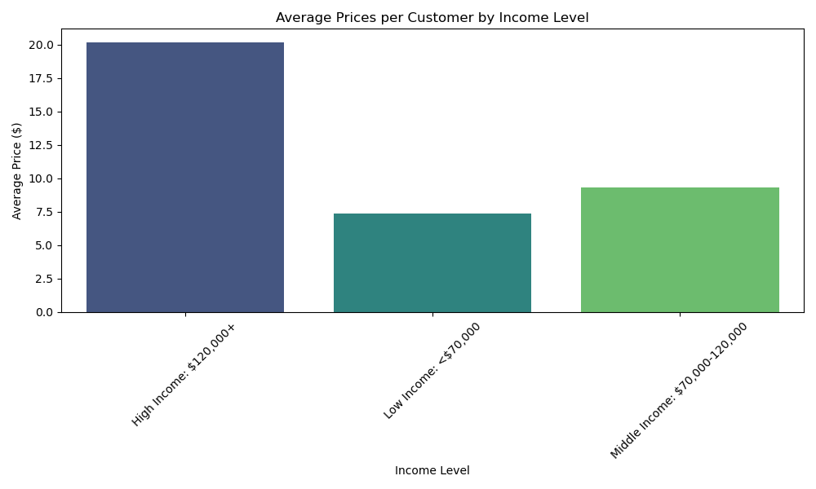
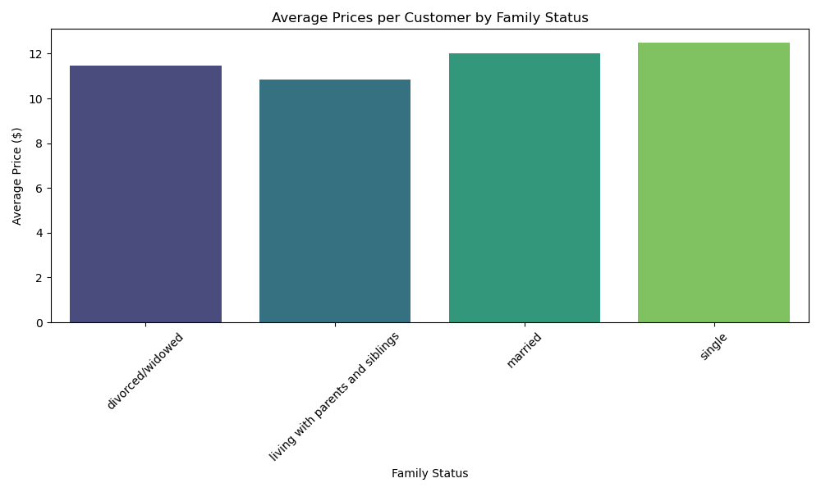
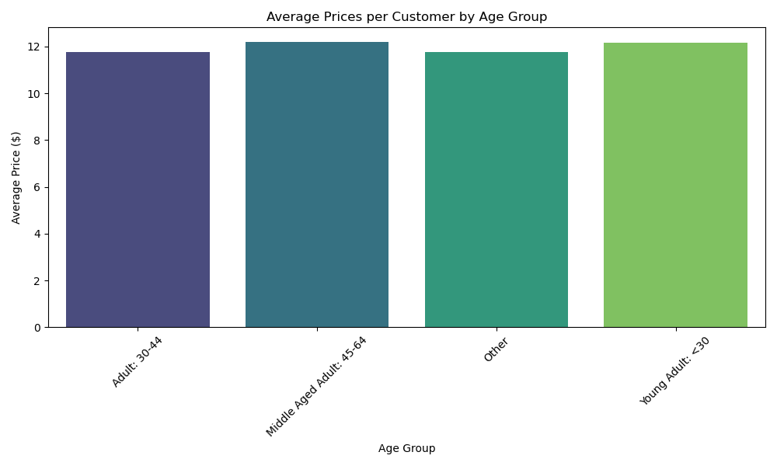
 |  |  |  | Title page

Visualisations

In this tab you should include all the visualtions from Exercises 4.9 and 4.10, alongside the questions from the project brief that they answer. Include any commentary on the relationship between different variables.

1) | The sales team needs to know what the busiest days of the week and hours of the day are (i.e., the days and times with the most orders) in order to schedule ads at times when there are fewer orders.

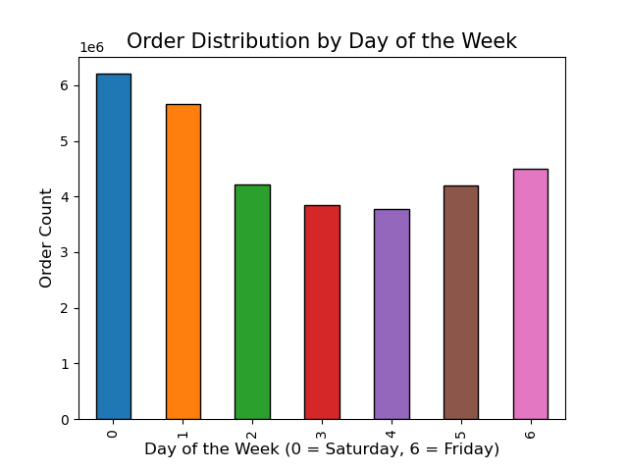


2) | They also want to know whether there are particular times of the day when people spend the most money, as this might inform the type of products they advertise at these times
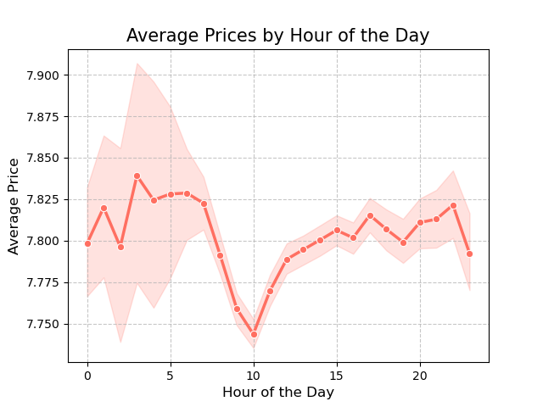
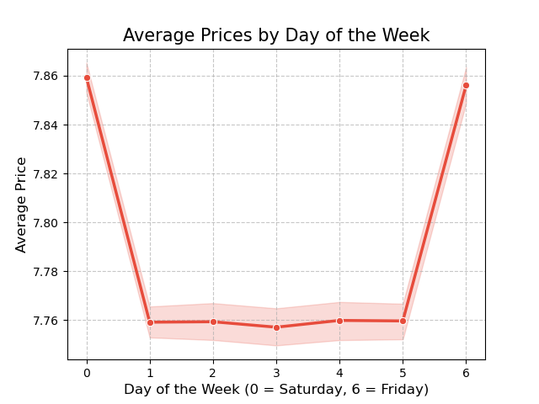

3) | Instacart has a lot of products with different price tags. Marketing and sales want to use simpler price range groupings to help direct their efforts.

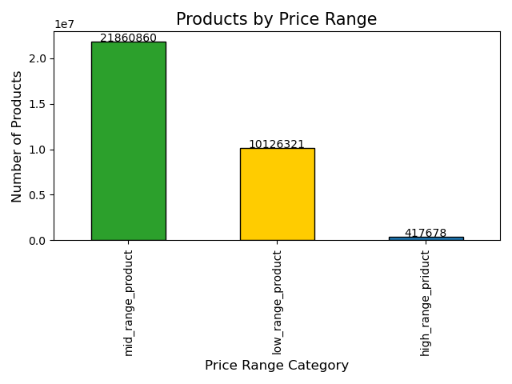
 |  | Price Range Groupings:
 |  | 1. Low Range Products = Less than $5
 |  | 2. Mid Range Products = Between $5-15
 |  | 3. High Range Products = Over $15

4) | Are there certain types of products that are more popular than others? The marketing and sales teams want to know which departments have the highest frequency of product orders.
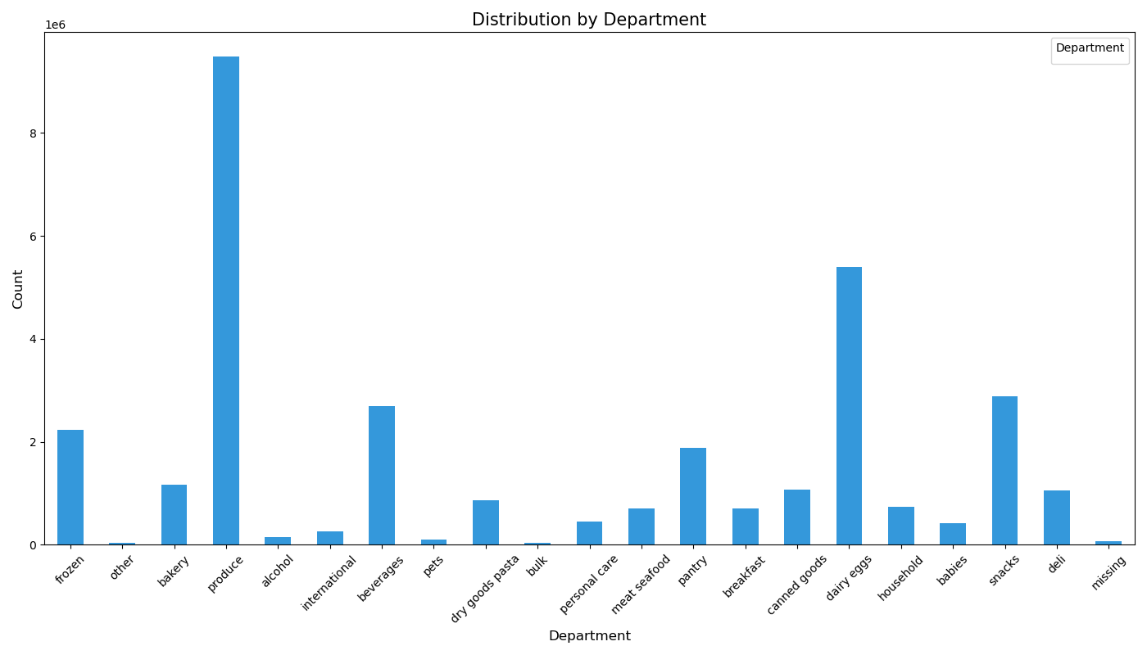

 |  |  | Busiest Departments:
 |  |  | 1. Produce (by far)
 |  |  | 2. Dairy/Eggs
 |  |  | 3. Snacks
 |  |  | 4. Beverages
 |  |  | 5. Frozen

5) | What’s the distribution among users in regards to their brand loyalty (i.e., how often do they return to Instacart)?

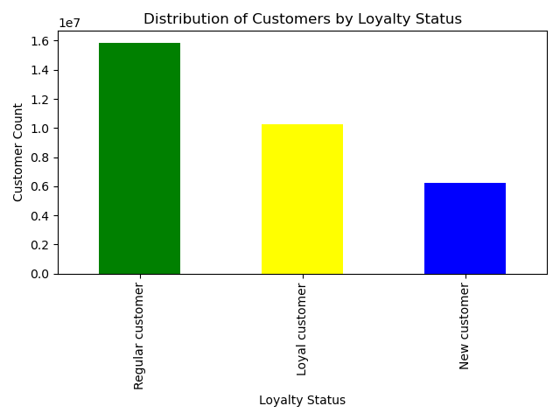
 |  | Customer Lotalty Categories: 1. Loyal Customer = 41+ orders 2. Regular Customer = 11-40 orders 3. New Customer = 1-10 orders

6) | Are there differences in ordering habits based on a customer’s loyalty status?

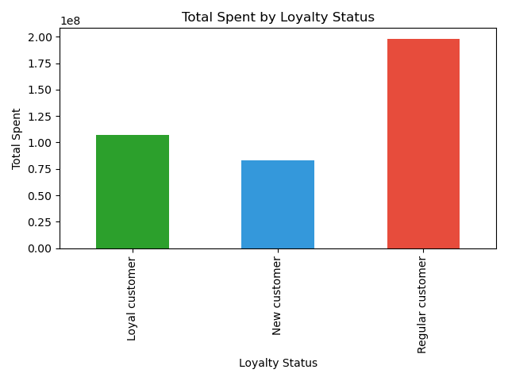
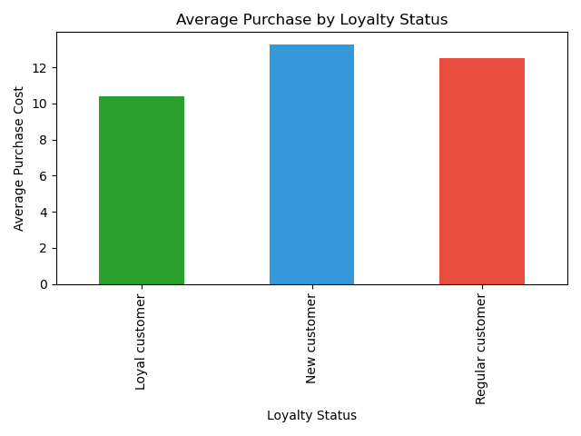

7) | Are there differences in ordering habits based on a customer’s region?
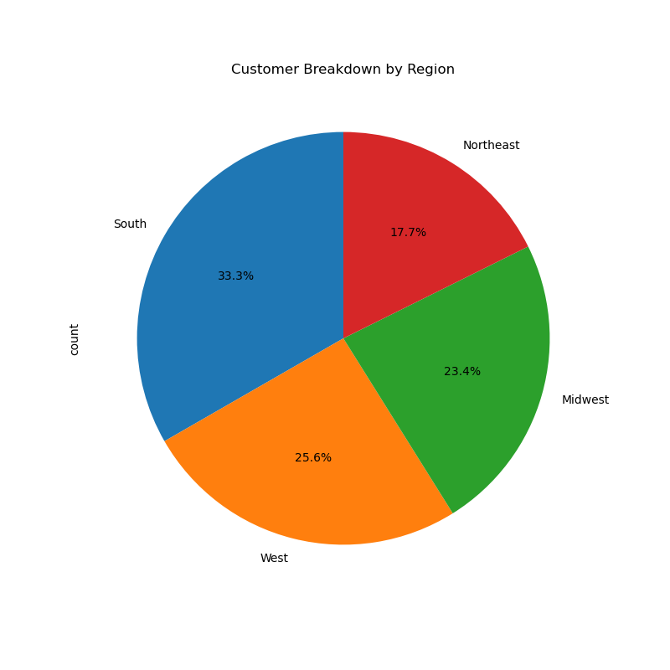
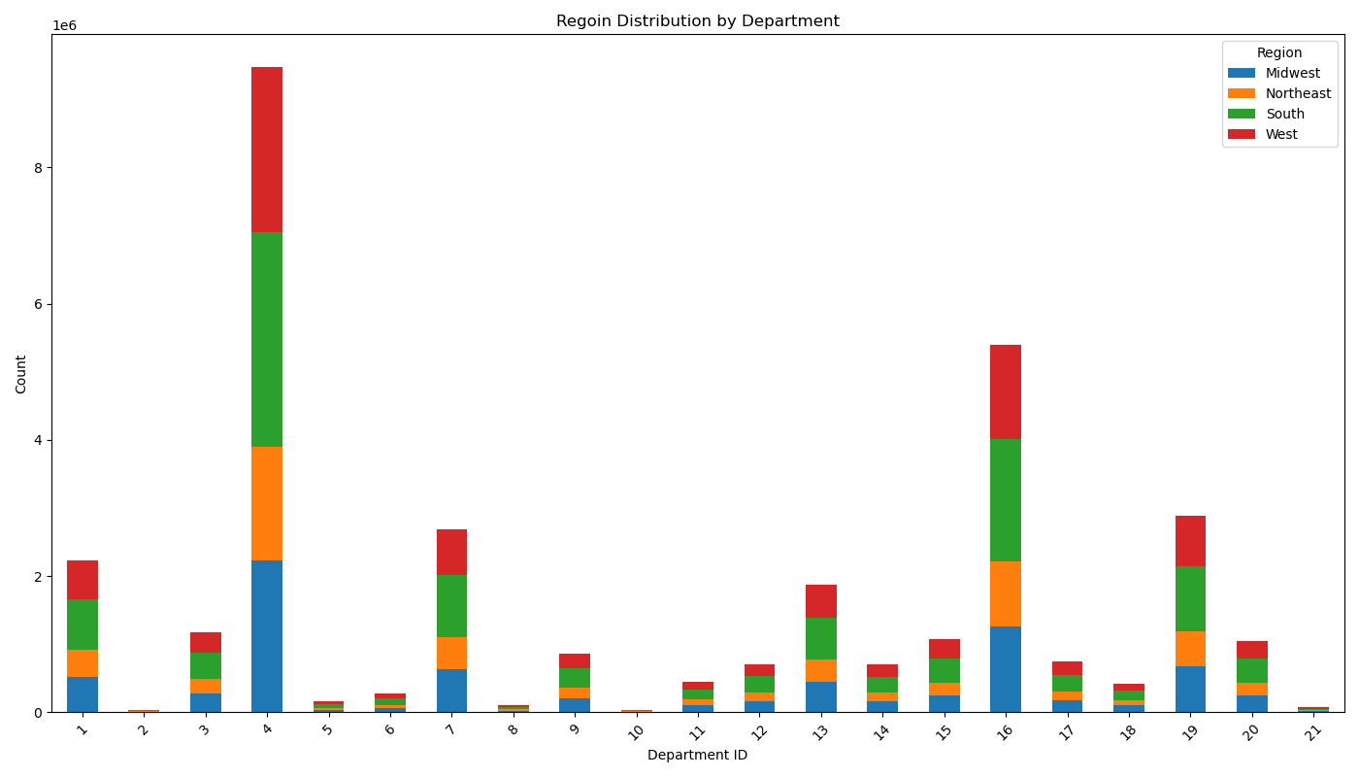
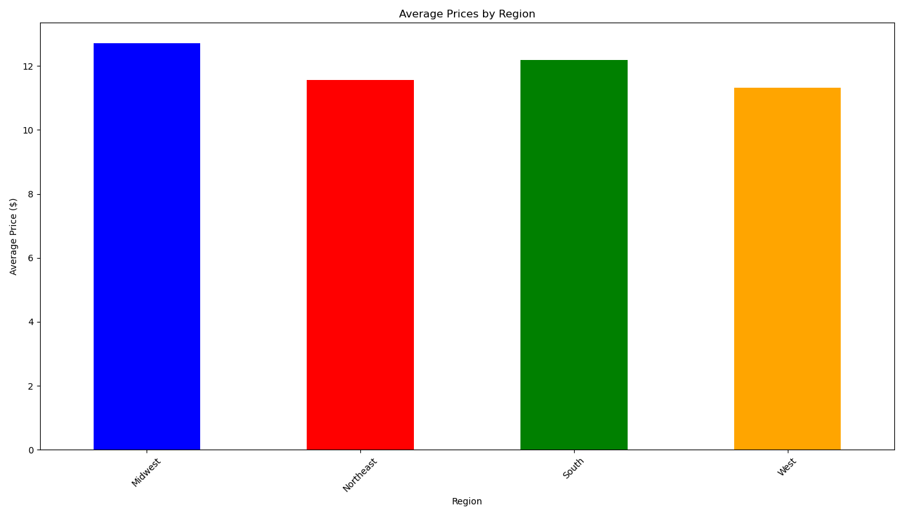

8) | Is there a connection between age and family status in terms of ordering habits?
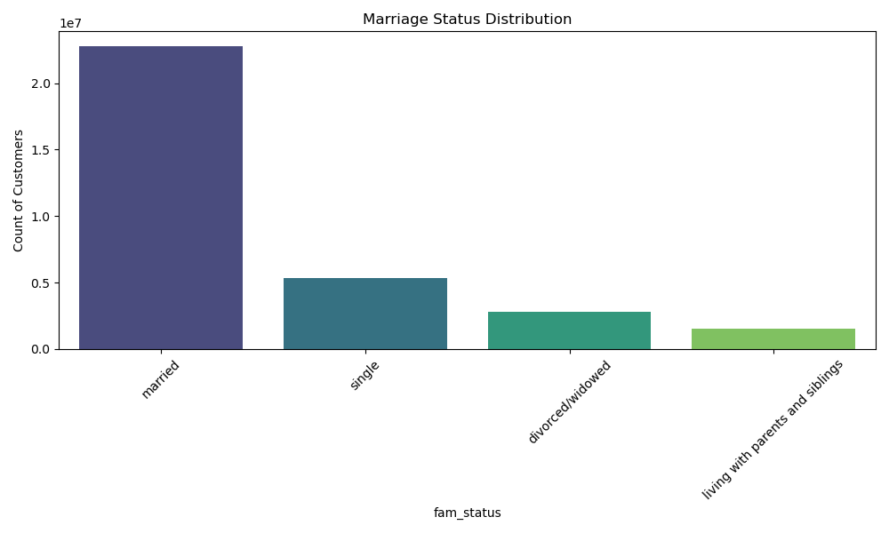
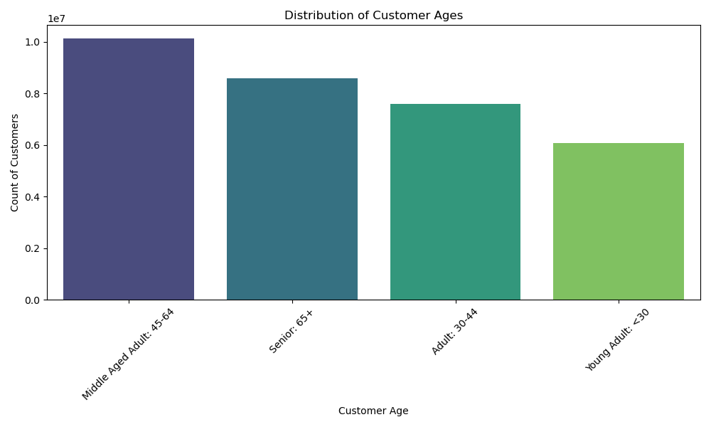

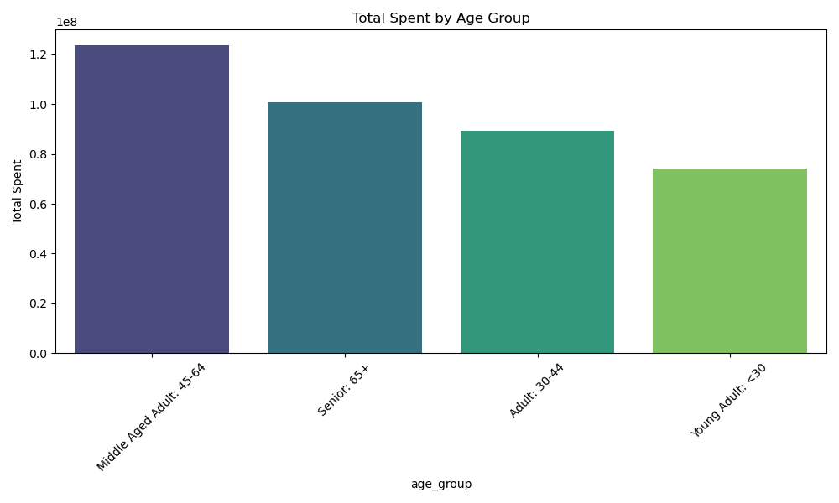
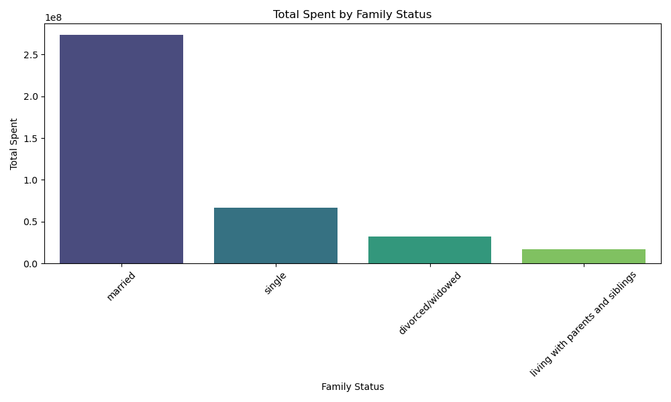

9) | What different classifications does the demographic information suggest? Age? Income? Certain types of goods? Family status?

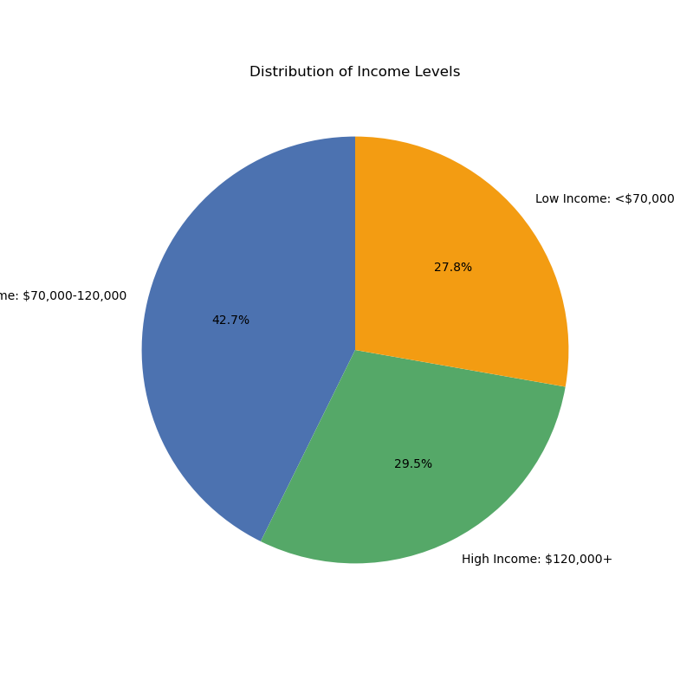
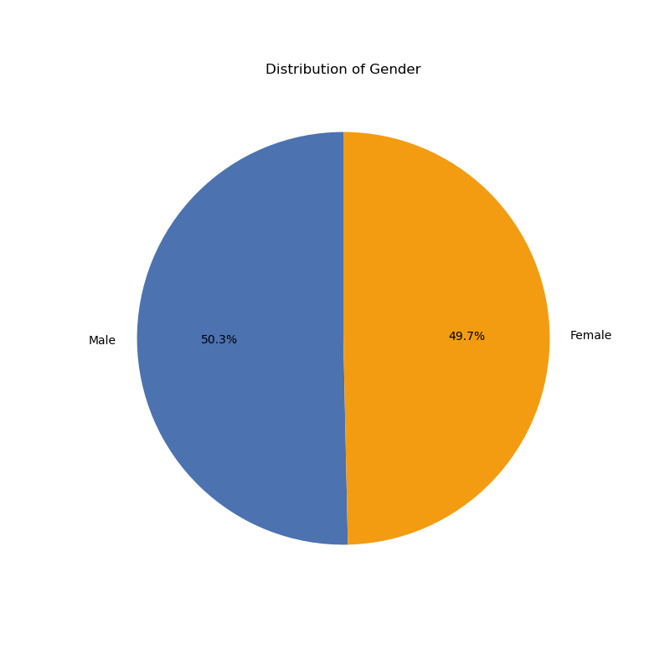

10) | What differences can you find in ordering habits of different customer profiles? Consider the price of orders, the frequency of orders, the products customers are ordering, and anything else you can think of.

7. Recommendations
 |  |  | Title page

Recommendations

In this tab you should include any recommendations you would made to Instcart in terms of their marketing strategy based on the questions posed in the brief. Every key question has been covered in the Tasks of the Exercises - here you need to add an item - a visualisation or table/crosstable that is showing the answer in the data, acompanied by a comment from you. Please, list the questions below and add the answer underneath.

Question | Answer | Recommendations
Key Question 1: The sales team needs to know what the busiest days of the week and hours of the day are (i.e., the days and times with the most orders) in order to schedule ads at times when there are fewer orders. | The busiest days for orders are Saturday and Sunday. The least busy days are Wednesday and Thursday. | Advertise and run commericals on Wednesdays and Thursdays to boost sales on the slower days. Offer free incentives such as free delivery and/or free gallon of milk or dozen eggs with every purchase on Wed and Thurs.
 | The busiest time for orders is between 9:00 am - 4:00-pm. The least busy time is between 9:00 pm - 4:00 am. | Advertise between 9:00 pm - and 4:00 am to help boost sales during the least busy hours. You could create a funny marketing campaign showing adults up late at night and remembering they don’t have food for something important the next morning (like kids needing breakfast and lunch items for school the next day), and showing how instacart showed up with groceries just in time.
Key Question 2: They also want to know whether there are particular times of the day when people spend the most money, as this might inform the type of products they advertise at these times | Customers are spending the most money between 3:00 am and 7:00 am. Customers spend the least from 8:00 am to noon. | In order to boost sales, it would make sense to advertise more between 8:00 am to noon. Advertisement could focus on 'what's for dinner tonight?' and advertise more expensive items like steak and seafood.
 | Customer spend the most on Friday and Saturday. This is likely because many people are likely purchasing more expensive items like alcohol, steak, seafood, etc to cook for the weekend. | Instacart could use this for marketing purposes by running adds and promotions for more expensive products such as alcohol, steak, seafood to drive sales even further.
Key Question 3: Instacart has a lot of products with different price tags. Marketing and sales want to use simpler price range groupings to help direct their efforts. | 1. Low Range Products = Less than $5 2. Mid Range Products = Between $5-15 3. High Range Products = Over $15 | One of the biggest ways companies can boost sales and revenue is by encouraging impulse purchases and upselling low-range products. 'Want a drink with that?', 'How about a sweet treat like a candy bar or donut?', or 'Hows your breath? Need some gum or mints?' are all quick, easy questions that can encourage each purachase to be $1-3 more than it otherwise would have been. Instacart could have a little pop up at the end of the checkout process that asks these questions to encourage higher purchases and more revenue.
 |  | Instacart does not offer very many High-Range products ( when compared to Low and Mid Rance Products). I would recommend exploring more high end items to add to Instacarts purchase options. Expensive spirits would be a great idea if they are not already included. If people are going to drive to the liquor store to buy alcohol, maybe they would rather have it delivered with their groceries. There could be a marketing campaign or commercial advertising that liquor is available for delivery. Instacart may be able to 1) Gain new customers who want the convenience of liquor delivery, and 2) Grow sales by selling alcohol to loyal customers who did not know that it was available to add to their grocery delivery.
Key Question 4: Are there certain types of products that are more popular than others? The marketing and sales teams want to know which departments have the highest frequency of product orders. | Busiest Departments: 1. Produce (by far). 2. Dairy/Eggs 3. Snacks 4. Beverages 5. Frozen | Knowing that the produce and dairy/eggs departments are the most frequently ordered is beneficial to Instacart. Both departments are relatively inexpensive and, as mentioned above, Instacart could run promotions offering 'Free Gallon of Milk', 'Free Dozen Eggs' or 'Free Bunch of Bananas' with purchases over $50 on Tuesdays and Wednesdays to encourage more sales on slower days.
Key Question 5: What’s the distribution among users in regards to their brand loyalty (i.e., how often do they return to Instacart)? | Customer Lotalty Categories: 1. Loyal Customer = 41+ orders 2. Regular Customer = 11-40 orders 3. New Customer = 1-10 orders | The largest segment of Instacart customers are Regular customers, followed by Loyal customers, and finally the smallest segment, New customers. The fact that the vast majority of Instacart customers have ordered 10+ times, means that most customers are happy with Instacart and and continue to return to order their groceries (many of the New customers are likely already on their way to becomming Regular customers as well!). Using logic, it would make sense that we just need people to order from Instacart once to get them hooked on the service. Knowing this, Instacart could offer very generous deals to first time customers in order to get people to try it. You could offer free delivery, free milk, eggs, etc, AND 10-20% off their first order to entice first-time customers.
 |  | Also, you could offer some type of incentive for customers who reach 'Gold Loyalty Status' (40+ orders with Instacart). Gold Loyalty Status customers could recieve lifetime free delivery (regardless of day of week or time of day ordered), or 5% off all groceries, or free gallon of milk AND dozen eggs with all purchases over $50. Loyal customers are going to be big promoters of Instacart and want to tell their frirnds and family about it. There should be a referral program where Instacart customers can get a $20 credit or gift cart to Instacart for every referral they make when they place their first purchase.
Key Question 6: Are there differences in ordering habits based on a customer’s loyalty status? | In terms of total revenue, Regular Customers (10-40 orders) have spent the most money with Instacart. However, New Customers (1-10 orders) have the highest average purchase amount. | Knowing that New customers tend to spend more money per order than Loyal and Regular customers is beneficial. New customers are new to the ordering app, and are excited about the prospect of being delivered any food and drinks they want from the grocery store, and thus more easily swayed into making impulse purchases. Instacart should target this group with pop-ups reminding them to add things like gum, chocolate, drinks, and alcohol to their order.
 |  | On the flip side, Loyal Customers spend the least per order with Instacart. Loyal customers have ordered more than 40 times, meaning they love Instacart and use it frequently. Knowing this, Instacart could target this group with emails promoting more expensive items that they have purchased before ("Sale on Steak", or "Rotesserie Chicken 20% off". This would encourage the Loyal customers to purchase more expensive items that we already know they have purchased before and are likely to buy again.
Key Question 7: Are there differences in ordering habits based on a customer’s region? | The South region has the largest amount of Instacart customers, followed by West, Mid-West, and then Northeast. The Midwest and South have the highest spending average. | I did not notice a significant difference in ordering habits from region to region. The Northeast, being the smallest portion of Instacart customers, has a lot of opportunity for growth. There are many large cities in the Northeast, and I think Instacart should target that market with a specific ad campaign. There could be commercials of customers struggling to carry all their groceries up to their apartment, or lugging big heavy bags from the car up a long sidewalk up to their house, only for the bag to break at the last minute. 'Shoulda ordered from Instacart. Everything you need, delivered safely to your doorstep'.
Key Question 8: Is there a connection between age and family status in terms of ordering habits? | By far the largest portion of Instacart customers are married, and the married customers also spend by far the most money. Instacarts largest customer age group is Middle Aged adults (45-64), followed by Senior (65+) shoppers. This means that a large majority of Instacart customers are married and older than 45. | Instacart should focus is main marketing on attracting new customers by marketing to Young Adults. We already have tons of married, older customers ordering from Instacart who are probably Instacarts Loyal and Regular customers. Instacart can attract new younger, unmarried customers by appealing to their interests. Maybe a commercial of some 20-30 year olds about to watch a 'big game' and remembering that their fridge is empty and they need food and drinks. 'Instacart's got you!' Or a commercial showing some college aged adults playing video games and getting hungry and needing some more Mountain Dew: 'Instacart's got you!'
Key Question 9: What different classifications does the demographic information suggest? Age? Income? Certain types of goods? Family status? | Age: Young Adult = Under 30 Adult = 30-45 Middle-Aged Adult = 45-65 Senior = 65+ Family Status: Married, Single, Divorced/Widowed, Living with Family Income: Low Income = <$70,000, Middle Income = $70,000-120,000, High Income = $120,000+ Instacart's distribution of Male vs. Female customers is very close to 50/50, so no significant information there. | The demographic information suggests that the average Instacart customer is between 45-65, married, and has a Middle Income level. Based on this knowledge, Instacarts main marketing focus should always aim to appeal to this core group of customers. Instacart appeals to married people, likely with busy family lives and moderate incomes who love the convenience of grocery delivery. Instacart should always be trying to reach this demographic and drawing in new customers.
Key Question 10: What differences can you find in ordering habits of different customer profiles? Consider the price of orders, the frequency of orders, the products customers are ordering, and anything else you can think of. | High Income customers have by far the highest average order price, followed by Middle, and then Low Income. Customers of different age groups and family statuses have relatively similar order averages. | It is not suprising that High Income customers spend the most per order, but Instacart can use this information to their advantage. We know that High-Income customers likely have more disposable income, and are much more likely to make impulse purchases, and purchase premium, high-range products. Knowing this, Instacart should target email and social media ads to High Income customers for premium products and more expensive add-ons such a $5 Kombucha instead of a $2 soda, or a $20/lb Wild Caught Salmon instead of $5/lb Shrimp. Those small differences could continue to boost sales averages of the High Income customers.
 |  | Low Income customers are on the other end of that, and are probably spending just enough to be able to have the necessities and food on the table. Knowing this, and wanting to be helpful, Instacart should focus on advertising items that these customers purchase regularly, when they are on sale. That way, customers and families will be informed when there are deals on their essential products and can save money on the things they need, leaving room to add a sweet treat like Ice Cream or Chocolate bar.

